Exercise Configurations
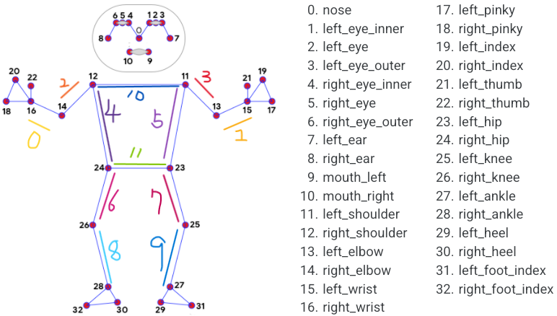
Exercise Name | Focus Pos Only List | Focus Lines Index List | Combine Letter | Count Match String List | Expect Status Change Process | Associated Exercise Title
horay_strong | 15,16,23,24,25,26,27,28 | 0,1,2,3,4,5,6,7,8,9 | @ | squat@stand | squat,stand | 勝利式
horay_normal | 15,16,23,24,25,26,27,28 | 0,1,2,3,4,5,6,7,8,9 | @ | squat@stand | squat,stand | 勝利式
horay_weak | 15,16,23,24,25,26,27,28 | 0,1,2,3,4,5,6,7,8,9 | @ | squat@stand | squat,stand | 勝利式

